Assumption
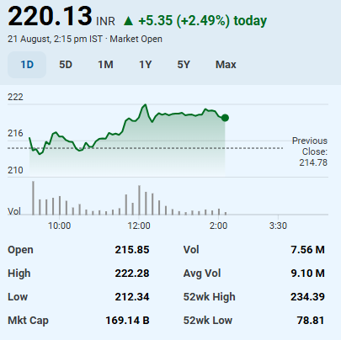
Scenario Manager |  | Company Name | Paradeep Phosphates Ltd
Best Case | 1 | ISIN Code | INE088F01024
 |  | Sector Name | Fertilizers
 |  | Industry | Fertilizers & Agrochemicals
 |  | Exchange Name | NSE: PARADEEP / BSE: 543530
Assumptions |  | Website | www.paradeepphosphates.com
Addition In FAS | 0.50% | Company Description | Incorporated in 1981, Paradeep Phosphates Limited is a manufacturer of non-urea fertilizers and India’s second largest private sector phosphatic company. The company is engaged in manufacturing, trading, distribution, and sales of a variety of complex fertilizers such as DAP, three grades of Nitrogen-Phosphorus-Potassium (namely NPK-10, NPK-12, and NP-20), Zypmite, Phospho-gypsum, and Hydroflorosilicic Acid. The company serves over 9 Million farmers across 15 states in India. Its network includes 22 regional offices, 529 stock points, over 5,000 dealers, and 75,000 retailers
Annual growth Tapering | 20.00%
Risk Free Rate | 6.52%
Tax Rate | 29%
EV/EBITDA Multiple | 12.8x
Perpetual Growth Rate | 5%
Discount Rate | 8%
Shares Outstanding(Lakhs) | 8147.8
Face Value | 10.0
Current Market Price | ₹ 220
Market Cap (Lakhs) | ₹ 1,793,572

FootBall Field Analysis
Football Field Analysis

Football Field Data
 | Comps Median | Comps Average | DCF | 52-Week Hi/LO | Market Consenses
High | ₹ 220 | ₹ 259 | ₹ 458 | ₹ 234 | ₹ 250
High | ₹ 220 | ₹ 259 | ₹ 458 | ₹ 234 | ₹ 250
Low | ₹ 173 | ₹ 210 | ₹ 131 | ₹ 79 | ₹ 170
Low | ₹ 173 | ₹ 210 | ₹ 131 | ₹ 79 | ₹ 170
Football Field Analysis

